content
Pressure Drop across the Seal (linked to SOP-518)

INSTRUCTIONS
This worksheet helps to:
- evaluate the pressure drop across different annular seals;
- generate the input file to use when creating long seals.
Sheet "Pressure Drop across the Seal"
This calculations are based on formulas of Table 3.7 (1) derived from chapter 3.12 of:
- Gülich, Johann F. “Centrifugal Pumps” 4th Edition. Springer International Publishing, 2019.
Sheet "Long Seals"
This sheet halves the dynamic coefficients. Use it for long seals in which L/D ratio is greater than 0.70.
Refere to SOP-XXX for a better explanation.
Sheet "Seal type"
This sheet shows the different type of annular seal to choose (hidden).

0 | 2024-12-02 | First issue | R&D - L. Francesconi | QA/HSEM C.Delli Quadri - M.Tremolada | R&D Manager / M.Borghetti
Rev. | Date | Description | Prepared | Checked | Approved
Mod.493-0

Pressure Drop across the Seal
INSTRUCTIONS
1) Compile the pump parameters cells.
2) Compile the seal parameters cells and select the correct type of seal. It will give as output the pressure drop across the seal at the current operating condition.
3) Insert the input data of FDC Input Data Table.
4) Copy each row of FDC Input Data table and paste it in Madyn 2000 FDC object.
Pump parameters
ρ [kg/m3] | 563 | (fluid density) |  |  |  |  |  |  |  |  |  | Legend
μ [Pa*s] | 1.56E-04 | (fluid dynamic viscosity) |  |  |  |  | Wear ring | # |  |  |  | input data
ν [m^2/s] | 2.77E-07 | (fluid kinematic viscosity) |  |  |  |  | Suction Wear Ring (inward) | 1 |  |  |  | descriptor
N [rpm] | 5220 | (rotating speed) |  |  |  |  | Back Wear Ring (outward) | 2 |  |  |  | calculated
ω [rad/s] | 546.6371 |  |  |  |  |  | Balance Drum (inward) | 3 |  |  |  | annotation
D2 [mm] | 252.00 | (impeller external diameter) |  |  |  |  | Balance Drum BB5 back to back | 4
u2 [m/s] | 68.8763 | (circumferential speed at impeller external diameter) |  |  |  |  | Balance Drum BB3 | 4
$k=0.9 {γ_{sp}}^{0.087}$ radially inward
H [m] | 2518.00 | (total head or differential head if suction head equal to 0) |  |  |  |  | Interstage Bush BB3
$$γ_{sp}={\left(\frac{u_{2}D_{2}}{2ѵ}\right)}^{0.3}s\frac{D_{sp}}{{D_{2}}^{2}}\sqrt{\frac{s}{L_{sp}}}$$
nstage [-] | 10 | (number of stages) |  |  |  |  | Interstage Bush A2P
Hstage [m] | 251.80 | (head per stage) |  |  |  |  | Interstage Bush BB5 back to back
$k=0.24 {γ_{sp}}^{−0.096}$ radially outward
Rg [-] | 0.75 | (degree of reaction, suggested 0.75) |  |  |  |  | Interstage Bush between next stage | 6
Hstage impeller [m] | 188.85 | (static pressure rise crepated by impeller) |  |  |  |  |  | 6
Hsuction [m] | 0 | (suction head, suggested 0 m)

$ΔHinward= \left(( {n −1) Hstage+ H}_{static.imp}−k^{2}\frac{{u_{2}}^{2}}{2g}\left\{1−\frac{{D_{sp}}^{2}}{{D_{2}}^{2}}\right\}\right)$ - Hasp boccola interstadio A2P, BB3, barrel back to back
Seal parameters
Dsp [mm] | 87.00 | (diameter annular seal)
Lsp [mm] | 85.00 | (lenght annular seal)
s [mm] | 0.165 | (radial clearance)
$ΔH={ΔHinward −(H}_{stage}∗\left(N_{st}−1 \right)+H_{static.imp}−k^{2}\frac{{u_{2}}^{2}}{2g}\left\{1−\frac{{D_{sp}}^{2}}{{D_{2}}^{2}}\right\}$ )
Wear ring [-] | Interstage Bush between next stage | (wear ring type, see sheet "Seal type")
nstage WR [-] | 1 | (stages before wear ring, compile for balance drum back to back and intertage bushes. The only exception is "interstage bush between next stage")
Ysp | 1.77E-03 | (-)
k [-] | #N/A | (rotation factor)
$ΔH=\left(H_{static.imp}−k^{2}\frac{{u_{2}}^{2}}{2g}\left\{1−\frac{{D_{sp}}^{2}}{{D_{2}}^{2}}\right\}\right)−H_{asp}$ radially inward
ΔH [m] | 251.80 | (head drop across the seal)
Hinlet central bush [m] | FALSE | (differential head at central bush inlet)
$ΔH=H_{stage}−\left(H_{static.imp}−k^{2}\frac{{u_{2}}^{2}}{2g}\left\{1−\frac{{D_{sp}}^{2}}{{D_{2}}^{2}}\right\}\right)$ radially outward
pout, balance drum [bar] | 8 | (outlet pressure balance drum, use for all balance drum types)
ΔP [bar] | 13.91 | (pressure drop across the seal)
$ΔH= \left(( {n −1) Hstage+ H}_{static.imp}−k^{2}\frac{{u_{2}}^{2}}{2g}\left\{1−\frac{{D_{sp}}^{2}}{{D_{2}}^{2}}\right\}\right)$ Tamburo di equilibro
FDC Input Data
Speed [rpm] | 1150 | 1600 | 2050 | 2500 | 2950 | 3400 | 3850 | 4300 | 4750 | 5200 | 5650 | 6100 | 6550 | 5220
Inlet pressure [bar] | 1.67 | 2.31 | 3.14 | 4.19 | 5.44 | 6.90 | 8.57 | 10.44 | 12.52 | 14.80 | 17.29 | 19.99 | 22.90 | 14.91
$ΔH=$( Hstage * N_St ) tamburo BB3/tamburo barrel back to back
Outlet pressure [bar] | 1 | 1 | 1 | 1 | 1 | 1 | 1 | 1 | 1 | 1 | 1 | 1 | 1 | 1
Inlet Temperature [°C] | 20 | 20 | 20 | 20 | 20 | 20 | 20 | 20 | 20 | 20 | 20 | 20 | 20 | 20

Front Wear Ring (inward)
Back Wear Ring (outward)
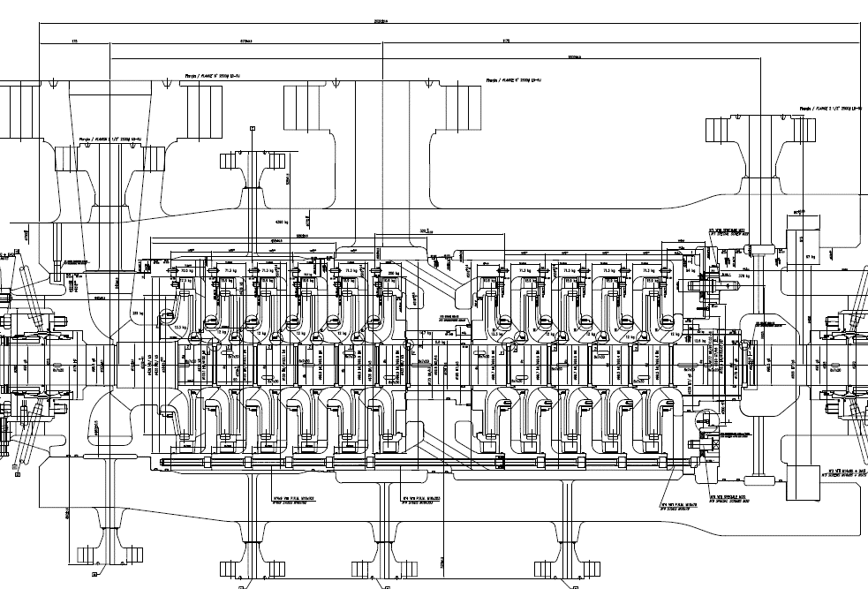
Number of stages before balance drum
Tamburo
Balance Drum BB5 back to back

Long seal
INSTRUCTIONS
1) Insert FDC file name.
NOTE. It should be in the same folder of this worksheet.
2) Insert the output file. It should start with FDC_.
3) Push the button "Read & Write". A new file with dynamic coefficient halved will be created in the folder of this worksheet.
Input File Name | FDC_Balance_Drum_As_new_R01.txt
Output File Name | FDC_Balance_Drum_As_new_R01_split.txt

In long seals (L/D > 0.7) to include the contribution of stifness at bending moment, seal coefficients will be modified to obtain an equivalent system made of two springs/dampers/masses with equivalent dynamic coefficients of the single element.
Distance is calculated to have the same coefficients also for the bending coefficients.

